Summary
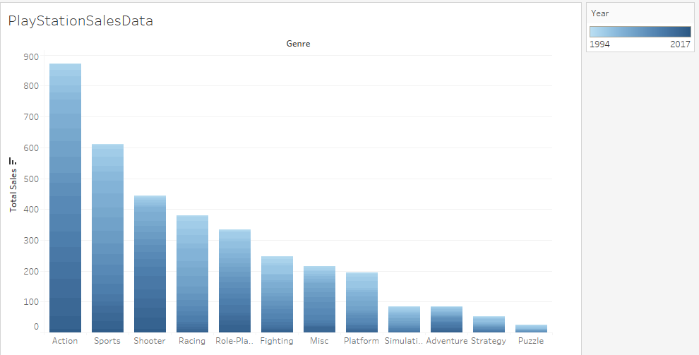
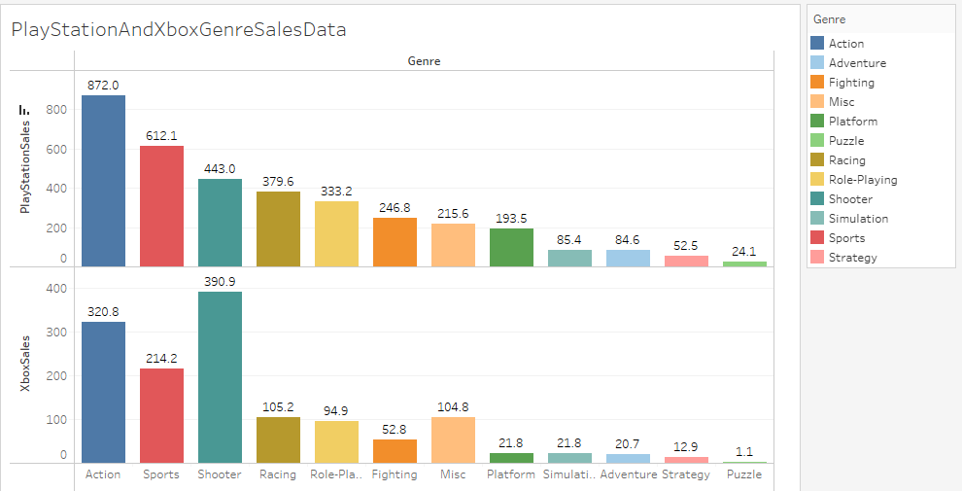

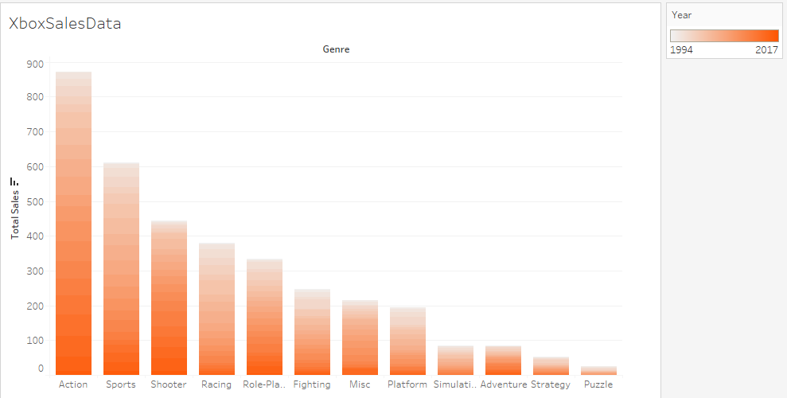

SUMMARY

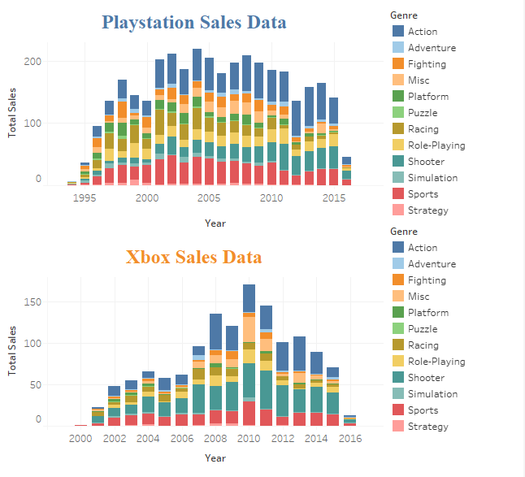
Playstation had the most sales in year 2004 Playstation had the lowest sales in 2017 Playstation Sells Action genre most and by 24.61% Playstation Sells Puzzle genre the least and by 0.64% Xbox had the most sales in year 2004 Xbox had the lowest sales in 2017 Xbox Sells Shooter genre the most and by 28.70% Xbox Sells Puzzle genre the least and by 0.084% From the data approximately 1 Xbox is sold for every 3 Playstation sold

